Sheet1
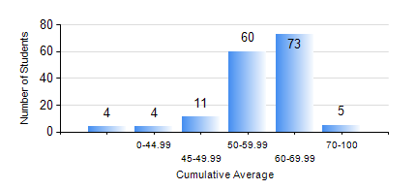
 |  |  | KWAME NKRUMAH UNIVERSITY OF SCIENCE AND TECHNOLOGY, KUMASI Department of Mechanical Engineering

 |  |  | BSC. INDUSTRIAL ENG.

 |  |  | COMPREHENSIVE RECORD OF EXAMINATION RESULTS

 |  |  | RESULTS OF YEAR 2 SECOND SEMESTER, 2021/2022 ACADEMIC YEAR

 | Sn | Course Code |  | Course Name | Credit Hours | Min. Mark | Max. Mark | Avg. Mark | Std. Dev. | No. Passed | No. Trailed | No. (Df) | No. (I) | No. (I*) | No. Tagged(I,I*,Df) | Total
 | 0. |  |  |  |  |  |  | 0 | 0 | 0 | 0 | 0 | 0 | 0 | 0 | 2
 | 1. | ENGL 264 |  | LITERATURE IN ENGLISH II | 1 | 28 | 74 | 56 | 9.36 | 152 | 3 | 0 | 0 | 0 | 0 | 155
 | 2. | IE 274 |  | SECOND YEAR DESIGN PROJECT | 2 | 26 | 82 | 49 | 12.1 | 138 | 17 | 0 | 0 | 0 | 0 | 155
 | 3. | IE 296 |  | INDUSTRIAL ENGINEERING LABORATORY II | 1 | 20 | 82 | 70 | 6.59 | 154 | 1 | 0 | 0 | 0 | 0 | 155
 | 4. | MATH 252 |  | CALCULUS WITH SEVERAL VARIABLES | 4 | 44 | 80 | 63 | 7.52 | 155 | 0 | 0 | 0 | 0 | 0 | 155
 | 5. | ME 252 |  | FLUID DYNAMICS I | 2 | 13 | 79 | 45 | 10.92 | 135 | 20 | 0 | 0 | 0 | 0 | 155
 | 6. | ME 264 |  | MECHANISM SYNTHESIS AND ANALYSIS I | 3 | 1 | 90 | 50 | 15.97 | 136 | 19 | 0 | 0 | 0 | 0 | 155
 | 7. | ME 266 |  | THERMODYNAMICS I | 2 | 34 | 90 | 60 | 11.19 | 153 | 2 | 0 | 0 | 0 | 0 | 155
 | 8. | ME 270 |  | MANUFACTURING TECHNOLOGY | 3 | 41 | 80 | 59 | 8.03 | 155 | 0 | 0 | 0 | 0 | 0 | 155

